Electrification Potential US
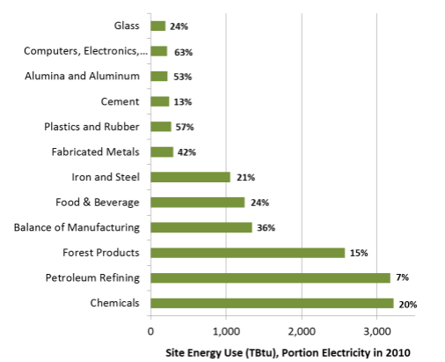
31% of First Simulated Year's Total Energy Use (BTU), based on NREL electrification potential | 7.39E+15 | NREL Industry Category | Width Using Pixel Ruler | Apportioned BTUs
 |  | Glass | 18 | 1.10E+14
Time (Year) | 2018 | Computers, Electronics | 19 | 1.16E+14
Industrial Fuel Use[electricity if,cement and other carbonates] : MostRecentRun | 3.72E+13 | Aluminum | 19 | 1.16E+14
Industrial Fuel Use[electricity if,natural gas and petroleum systems] : MostRecentRun | 2.03E+14 | Cement | 22 | 1.34E+14
Industrial Fuel Use[electricity if,iron and steel] : MostRecentRun | 2.13E+14 | Plstics and Rubber | 23 | 1.41E+14
Industrial Fuel Use[electricity if,chemicals] : MostRecentRun | 4.16E+14 | Fabricated Metals | 27 | 1.65E+14
Industrial Fuel Use[electricity if,coal mining] : MostRecentRun | 3.90E+14 | Iron and Steel | 90 | 5.50E+14
Industrial Fuel Use[electricity if,waste management] : MostRecentRun | 2.21E+14 | Food and Beverage | 107 | 6.54E+14
Industrial Fuel Use[electricity if,agriculture] : MostRecentRun | 1.54E+14 | Balance of Manufacturing | 115 | 7.03E+14
Industrial Fuel Use[electricity if,other industries] : MostRecentRun | 1.61E+15 | Forest Products | 221 | 1.35E+15
Industrial Fuel Use[hard coal if,cement and other carbonates] : MostRecentRun | 1.79E+14 | Petroleum Refining | 272 | 1.66E+15
Industrial Fuel Use[hard coal if,natural gas and petroleum systems] : MostRecentRun | 2.40E+13 | Chemicals | 276 | 1.69E+15
Industrial Fuel Use[hard coal if,iron and steel] : MostRecentRun | 7.92E+13
Industrial Fuel Use[hard coal if,chemicals] : MostRecentRun | 5.19E+13 | EPS Industry Category | Apportioned BTUs | Fraction Electrification Potential
Industrial Fuel Use[hard coal if,coal mining] : MostRecentRun | 8.81E+13 | cement and other carbonates | 1.34E+14 | 0.46
Industrial Fuel Use[hard coal if,waste management] : MostRecentRun | 0 | natural gas and petroleum systems | 1.66E+15 | 0.26
Industrial Fuel Use[hard coal if,agriculture] : MostRecentRun | 0 | iron and steel | 5.50E+14 | 0.73
Industrial Fuel Use[hard coal if,other industries] : MostRecentRun | 1.50E+14 | chemicals | 1.83E+15 | 0.25
Industrial Fuel Use[natural gas if,cement and other carbonates] : MostRecentRun | 1.84E+13 | coal mining | 0.00E+00 | 0.10
Industrial Fuel Use[natural gas if,natural gas and petroleum systems] : MostRecentRun | 3.27E+15 | waste management | 0.00E+00 | 0.10
Industrial Fuel Use[natural gas if,iron and steel] : MostRecentRun | 4.27E+14 | agriculture | 0.00E+00 | 0.10
Industrial Fuel Use[natural gas if,chemicals] : MostRecentRun | 3.32E+15 | other industries | 3.21E+15 | 0.49
Industrial Fuel Use[natural gas if,coal mining] : MostRecentRun | 3.98E+14
Industrial Fuel Use[natural gas if,waste management] : MostRecentRun | 0 | NREL's electrification potential does not appear to include non-manufacturing industries
Industrial Fuel Use[natural gas if,agriculture] : MostRecentRun | 6.87E+13 | (which includes agriculture and mining). NREL reports electricity is generally <10%
Industrial Fuel Use[natural gas if,other industries] : MostRecentRun | 2.96E+15 | of site energy use. Therefore, a electrification potential of 0.1 is conservatively used
Industrial Fuel Use[biomass if,cement and other carbonates] : MostRecentRun | 8.31E+10 | for these industry categories.
Industrial Fuel Use[biomass if,natural gas and petroleum systems] : MostRecentRun | 7.82E+14
Industrial Fuel Use[biomass if,iron and steel] : MostRecentRun | 7.07E+08
Industrial Fuel Use[biomass if,chemicals] : MostRecentRun | 1.73E+11
Industrial Fuel Use[biomass if,coal mining] : MostRecentRun | 0
Industrial Fuel Use[biomass if,waste management] : MostRecentRun | 0
Industrial Fuel Use[biomass if,agriculture] : MostRecentRun | 0
Industrial Fuel Use[biomass if,other industries] : MostRecentRun | 3.10E+07
Industrial Fuel Use[petroleum diesel if,cement and other carbonates] : MostRecentRun | 5.62E+13
Industrial Fuel Use[petroleum diesel if,natural gas and petroleum systems] : MostRecentRun | 2.08E+15
Industrial Fuel Use[petroleum diesel if,iron and steel] : MostRecentRun | 2.87E+13
Industrial Fuel Use[petroleum diesel if,chemicals] : MostRecentRun | 8.99E+14
Industrial Fuel Use[petroleum diesel if,coal mining] : MostRecentRun | 3.61E+14
Industrial Fuel Use[petroleum diesel if,waste management] : MostRecentRun | 0
Industrial Fuel Use[petroleum diesel if,agriculture] : MostRecentRun | 6.44E+14
Industrial Fuel Use[petroleum diesel if,other industries] : MostRecentRun | 1.55E+15
Industrial Fuel Use[heat if,cement and other carbonates] : MostRecentRun | 0
Industrial Fuel Use[heat if,natural gas and petroleum systems] : MostRecentRun | 0
Industrial Fuel Use[heat if,iron and steel] : MostRecentRun | 0
Industrial Fuel Use[heat if,chemicals] : MostRecentRun | 0
Industrial Fuel Use[heat if,coal mining] : MostRecentRun | 0
Industrial Fuel Use[heat if,waste management] : MostRecentRun | 0
Industrial Fuel Use[heat if,agriculture] : MostRecentRun | 0
Industrial Fuel Use[heat if,other industries] : MostRecentRun | 0
Industrial Fuel Use[crude oil if,cement and other carbonates] : MostRecentRun | 0
Industrial Fuel Use[crude oil if,natural gas and petroleum systems] : MostRecentRun | 0
Industrial Fuel Use[crude oil if,iron and steel] : MostRecentRun | 0
Industrial Fuel Use[crude oil if,chemicals] : MostRecentRun | 0
Industrial Fuel Use[crude oil if,coal mining] : MostRecentRun | 0
Industrial Fuel Use[crude oil if,waste management] : MostRecentRun | 0
Industrial Fuel Use[crude oil if,agriculture] : MostRecentRun | 0
Industrial Fuel Use[crude oil if,other industries] : MostRecentRun | 0
Industrial Fuel Use[heavy or residual fuel oil if,cement and other carbonates] : MostRecentRun | 2.62E+12
Industrial Fuel Use[heavy or residual fuel oil if,natural gas and petroleum systems] : MostRecentRun | 1.55E+12
Industrial Fuel Use[heavy or residual fuel oil if,iron and steel] : MostRecentRun | 2.69E+12
Industrial Fuel Use[heavy or residual fuel oil if,chemicals] : MostRecentRun | 2.01E+12
Industrial Fuel Use[heavy or residual fuel oil if,coal mining] : MostRecentRun | 3.85E+13
Industrial Fuel Use[heavy or residual fuel oil if,waste management] : MostRecentRun | 0
Industrial Fuel Use[heavy or residual fuel oil if,agriculture] : MostRecentRun | 8.50E+10
Industrial Fuel Use[heavy or residual fuel oil if,other industries] : MostRecentRun | 4.17E+12
Industrial Fuel Use[LPG propane or butane if,cement and other carbonates] : MostRecentRun | 8.45E+11
Industrial Fuel Use[LPG propane or butane if,natural gas and petroleum systems] : MostRecentRun | 9.64E+12
Industrial Fuel Use[LPG propane or butane if,iron and steel] : MostRecentRun | 4.02E+11
Industrial Fuel Use[LPG propane or butane if,chemicals] : MostRecentRun | 2.60E+15
Industrial Fuel Use[LPG propane or butane if,coal mining] : MostRecentRun | 0
Industrial Fuel Use[LPG propane or butane if,waste management] : MostRecentRun | 0
Industrial Fuel Use[LPG propane or butane if,agriculture] : MostRecentRun | 2.09E+14
Industrial Fuel Use[LPG propane or butane if,other industries] : MostRecentRun | 2.89E+14
Industrial Fuel Use[hydrogen if,cement and other carbonates] : MostRecentRun | 0
Industrial Fuel Use[hydrogen if,natural gas and petroleum systems] : MostRecentRun | 0
Industrial Fuel Use[hydrogen if,iron and steel] : MostRecentRun | 0
Industrial Fuel Use[hydrogen if,chemicals] : MostRecentRun | 0
Industrial Fuel Use[hydrogen if,coal mining] : MostRecentRun | 0
Industrial Fuel Use[hydrogen if,waste management] : MostRecentRun | 0
Industrial Fuel Use[hydrogen if,agriculture] : MostRecentRun | 0
Industrial Fuel Use[hydrogen if,other industries] : MostRecentRun | 0

Electrification Potential EU
Source: | Potsdam Institute for Climate Impact Research
 | 2020
 | Power-to-Heat: the potential for direct electrification of industry
 | https://www.iamconsortium.org/wp-content/uploads/2020/03/Madeddu_OK.pdf
 | Slide 6 for direct electrification of potential of industry, yellow line represents status quo of direct electrification,
 | grey line represents medium direct electrification scenario with already known technologies today,
 | red line represents max direct electrification potential including new technologies that are still in technology development

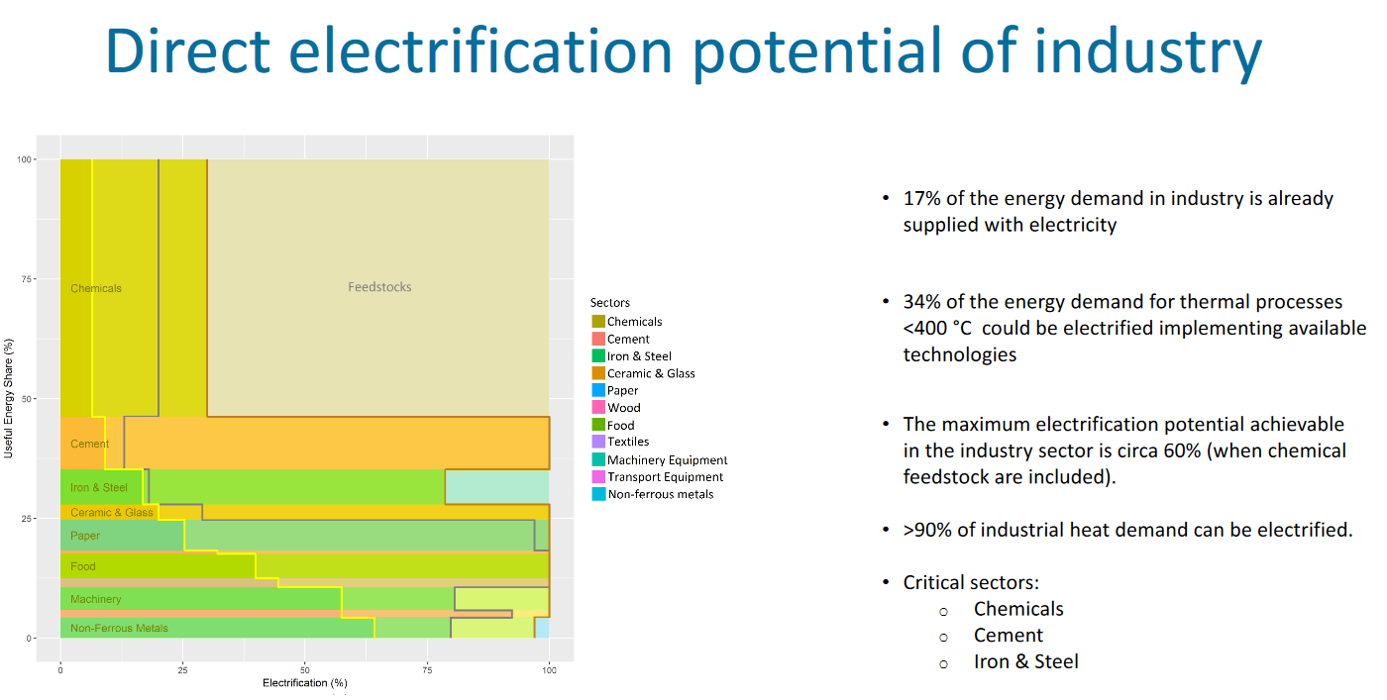

Direct electrification potential of industry sectors according to source max electrification potential (Red line)
Chemicals | 30%
Cement | 100%
Iron&Steel | 78%
Ceramics & Glass | 100%
Paper | 100%
Wood | 100%
Food | 100%
Textiles | 100%
Machinery Equipment | 100%
Transport Equipment | 100%
Non-ferrous metals | 96%

Direct electrification potential of industry sectors according to source: Medium electrification scenario based on existing eletrification technologies (Grey line)
Chemicals | 20%
Cement | 15%
Iron&Steel | 18%
Ceramics & Glass | 29%
Paper | 97%
Wood | 100%
Food | 100%
Textiles | 100%
Machinery Equipment | 81%
Transport Equipment | 91%
Non-ferrous metals | 80%

Useful Energy share of industry sectors according to source
Chemicals | 53%
Cement | 10%
Iron&Steel | 8%
Ceramics & Glass | 3%
Paper | 7%
Wood | 2%
Food | 5%
Textiles | 2%
Machinery Equipment | 4%
Transport Equipment | 2%
Non-ferrous metals | 4%

Weighted Average other industries
Share of other industries on useful energy share | 26%
Share of non-ferrous metals on other industries | 15%
Electrification potential other industries (Direct electrification Max) | 99.4%
Electrification potential other industries (Direct electrification medium)

Direct electrification potential of industry sectors according to EPS category (based on max direct electrification)
cement and other carbonates | 100%
natural gas and petroleum systems | 26%
iron and steel | 78%
chemicals | 30%
coal mining | 10%
waste management | 100% | own assumption, as electricity is the only fuel used according to BAU Industrial Fuel Use before CCS variable
agriculture | 10%
other industries | 99.4%

